Sheet1
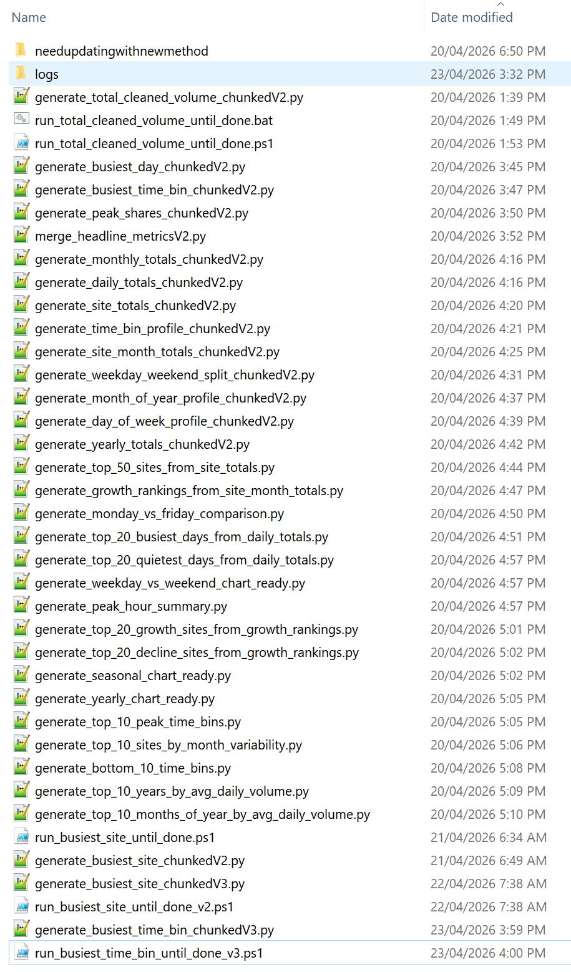
 |  |  | Total Number of Scripts (Chunked) | 15 |  | Script Directory | A:\TrafficAnalytics\PROJECTS\scripts\finalscriptsafterdedup

 |  |  | Scripts completed so far (Chunked) | 15 |  | CSV Results Directory | A:\TrafficAnalytics\PROJECTS\reports\deduped

 |  |  | Progress % | 100.00%

 |  |  | Completed Scripts | STATUS | Est fin | Output File | STATUS | Wrapper Script
https://chatgpt.com/c/69f19a3c-85c4-839d-9810-7611c413774f
I have a chunked V2 script that needs to be upgraded to V3.Important known issue:In the monthly totals script, the month 2018-12 returned NULL / blank as N/A, so it was never counted as complete and the wrapper kept retrying month 60 forever. Make sure this script does NOT repeat that bug.Please update this script to V3 with these requirements:- Detect already-completed months from the CSV- Resume cleanly when the CSV already exists- Handle missing CSV rows without restarting from month 1- Treat NULL aggregate results safely, usually as 0 where appropriate- Never append blank totals that prevent completion detection- Prevent infinite wrapper loops if months_completed does not increase- Final JSON must include: - months_total - months_completed - is_complete - total_elapsed_seconds- Wrapper must run one month per execution- Wrapper must stop safely if no progress is detected- Temp directory handling must match V3 standards: - C:\DuckDBTemp - preserve_insertion_order=false - sensible memory/thread settings- Maintain identical output structure and filenames unless changes are requiredAlso generate:1. Upgraded Python script: generate_<metric_name>_chunkedV3.py2. Wrapper script: run_<metric_name>_until_done_v3.ps1Here is the V2 script:[paste script here]
 |  |  | Stage 1:
 |  |  | chunked_total_cleaned_volume_chunkedV2.py | COMPLETE |  | chunked_total_cleaned_volume_monthly.csv | SUCCESS | run_total_cleaned_volume_until_done.ps1
 |  |  | generate_busiest_site_chunkedV3.py | COMPLETE |  | chunked_busiest_site_monthly.csv | SUCCESS | run_busiest_site_until_done_v2.ps1
 |  |  | generate_busiest_time_bin_chunkedV3.py | COMPLETE |  | chunked_busiest_time_bin_monthly.csv | SUCCESS | run_busiest_time_bin_until_done_v3.ps1
 |  |  | generate_peak_shares_chunkedV3.py | COMPLETE |  | chunked_peak_shares_monthly.csv | SUCCESS | run_peak_shares_until_done_v3.ps1
 |  |  | generate_busiest_day_chunkedV3.py | COMPLETE |  | chunked_busiest_day_monthly.csv | SUCCESS | run_busiest_day_until_done_v3.ps1
 |  |  | merge_headline_metricsV3.py | COMPLETE |  |  | SUCCESS

 |  |  | Stage 2:
 |  |  | generate_monthly_totals_chunkedV3.py | COMPLETE |  |  | SUCCESS
 |  | G1 | generate_daily_totals_chunkedV3.py | COMPLETE |  |  | SUCCESS
 |  | G2 | generate_site_totals_chunkedV3.py | COMPLETE |  |  | SUCCESS
 |  | G3 | generate_time_bin_profile_chunkedV3.py | COMPLETE |  |  | SUCCESS
 |  | G4 | generate_site_month_totals_chunkedV3.py | COMPLETE |  |  | SUCCESS
 |  | G5 | generate_weekday_weekend_split_chunkedV3.py | COMPLETE |  |  | SUCCESS
 |  | G6 | generate_month_of_year_profile_chunkedV3.py | COMPLETE |  |  | SUCCESS
 |  | G7 | generate_day_of_week_profile_chunkedV3.py | COMPLETE |  |  | SUCCESS
 |  | G8 | generate_yearly_totals_chunkedV3.py | COMPLETE |  |  | SUCCESS
 |  |  | run_generate_kepler_city_pulse_dayV1.ps1 | COMPLETE |  |  | SUCCESS
 |  | G = remember to make graphs about these |  | COMPLETE |  |  | SUCCESS
 |  |  | animations | COMPLETE |  |  | SUCCESS

 |  |  | Each script takes approx 15 minutes per month
 |  |  | 148 months in total
 |  |  | 2220 minutes per script
 |  |  | 37 hours per script of CPU Wall time

 |  |  | 407 hours total CPU wall time
 |  |  | Approx 17 days total to generate every CSV file

 |  |  | Expected completion date | 13th May 2026

 |  |  | Total days from 23rd April | 20 days

 |  |  | Note: the output JSON files have the total_elapsed_seconds
 |  |  | which is the total time the chunked query took to run

 |  |  | and it also has the generated_at_epoch which is the end time of the scrpt

 |  |  | so you can work backwards to determine exact script start time

Page Section | Status

Hero / Overview
Key Metrics Summary
Quick Access Maps / Navigation
Table of Contents

Top 10 Network Findings — What Melbourne Actually Does
Top 10 Congestion Findings — Where and When Pressure Builds
Top 10 Strategic Infrastructure Insights — What Matters Long-Term

System Architecture
Project Timeline
Data Sources and Coverage

SCATS Site Directory
All SCATS Sites Interactive Map
Top 100 SCATS Sites Interactive Map

Integrated Top 100 Parcel Opportunity Map (OOH Intelligence)
OOH Parcel Intelligence & Billboard Opportunity Discovery
Corridor Dominance Analysis
OOH Site Discovery Engine |  |  | Last scripts to run:

Charts and Visualisations
Daily Traffic Totals
Monthly Traffic Totals
Time-of-Day Traffic Profile
Busiest Intersections Analysis
Day-of-Week Patterns

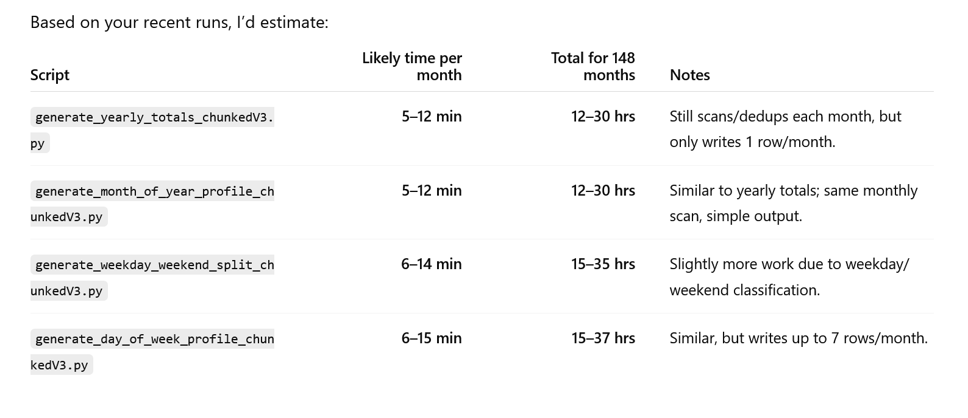
Public Dashboard Insights
Department of Transport & Institutional Observations
Freight and Transport Company Intelligence
Academic and Research Opportunities

Data Downloads and Resources
Question-to-Answer Traffic Intelligence Index
Media / Story Engine Section

On-Site Compute Infrastructure
Technology Stack

Project Supporters / Sponsors
Contact / Attribution / Footer

